EMBA Spring 2025
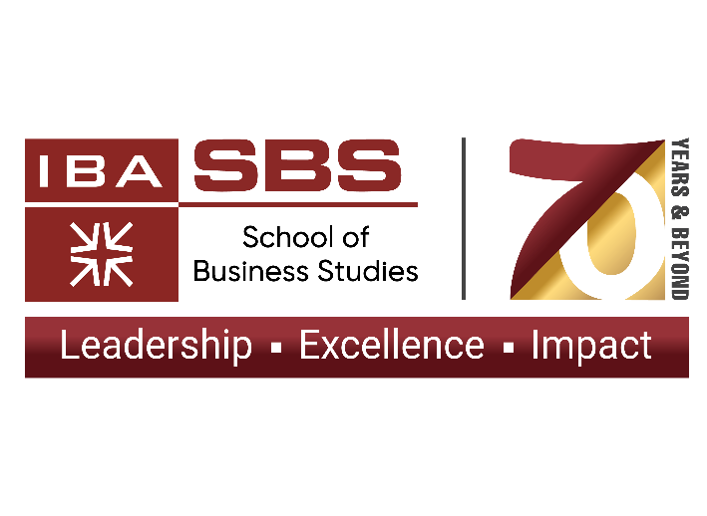
Directorate of MBA and EMBA
Learning Schedule EMBA - Spring 2025 From Jan 25, 2025
S. No. | Days & Timings | Batch | Code | Course | Prerequisite | Faculty | UMS Class # | Enrolled students | Room #
1 | 10:00am to 1:15pm Saturdays | EMBA - 28 | FIN-507 | Business Finance - II | Business Finance - I | Mr Najmul Hasan | 98425 |  | MCS-4
3 |  | Elective | SCM-559 | Supply Chain Management |  | Dr. Rameez Khalid | 98426 |  | MCS-3
1 | 2:00pm to 5:15pm Saturdays | EMBA - 28 | MGT-557 | Organizational Behavior & Leadership |  | Dr. Nyla Aleem Ansari | 98427 |  | MCS-4
2 |  | Capstone | MGT-506 | Corporate Strategy | MM, BF-I, OBL, Global Economics, OPM, Business Ethics | Dr. M. Shafique | 98428 |  | MCS-5
3 |  | Elective | MKT-571 | Strategic Sourcing & Negotiations |  | Mr. Faisal Jalal | 98429 |  | MCS-3
1 | 10:00am to 1:15pm Sundays | EMBA - 28 | BUS-505 | Business Ethics |  | Ms Mahreen Nazar | 98430 |  | MCS-4
 |  | Elective | FIN-555 | Corporate Finance |  | Ms. Tehseen Valjee | 98727 |  | MCC-10
 |  | Elective | MKT-657 | Strategic Marketing | Marketing Management | Mr. Najeeb Agrawala | 98697 |  | MCS 3
2 |  | Elective | MKT-586 | Retail Management | Marketing Management | Mr. Adnan Ahmed | 98696 |  | MCC-9
1 | 2:00pm to 5:15pm Sundays | EMBA - 28 | MKT-505 | Advanced & Applied Business Research |  | Dr. Huma Amir | 98431 |  | MCS-4
 |  | Elective | MTS-500 | Business Analytics and Decision Making |  | Dr. Syed Akhter Raza | 98883 |  | MCL-3
2 |  | EMBA - 27 | ECO-517 | Global Economics & Political Environment |  | Mr. Salim Raza | 98432 |  | MCS-3
Capstone Project
1 | N/A | Final Semester/ Year |  | EMBA Project |  | Students are required to submit their Executive Summary and obtain approval from their respective supervisor by February 4, 2025. The Executive Summary must be sent to the EMBA and MBA Directorate. Failure to meet this deadline will result in the project being deferred to Fall 2025. | 98704 |  | Corporate Strategy and Advanced & Applied Business Research
Calendar
Spring Semester Begins |  | Monday, January 20, 2025
Mid Term Examination |  | March 17 to 22, 2025 (Mon - Sat)
Mid-semester Break |  | March 24 to 29, 2025 (Mon - Sat)
Faculty Evaluation |  | April 28 to May 10, 2025
Final Examination: |  | May 21 to June 3, 2025 (Wed - Tue)
Last Date for Submission of Result |  | Wednesday, June 18, 2025

